Master
Master List of Genetics Faculty Assessment Questions_Keck GCA Study
Fall 2015
Code (Initials_Year_Exam_Qformat#) | Question | recode
AJ1_Fa2015_E4_SA1 |  | exclude
AJ1_Fa2015_E4_SA2 | 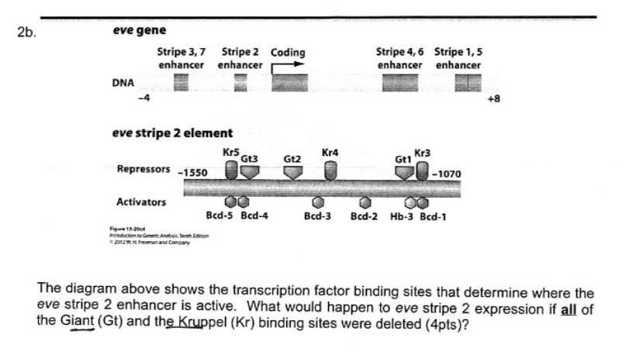 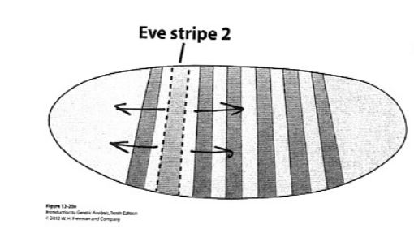 | 0-5:0, 6-9:1, 10:2
AJ1_Fa2015_E4_SA3 |  | 0-4:0, 5-9:1, 10:2
AJ1_Fa2015_E4_SA4 |  | 0:0, 2.5-9:1, 10:2
AJ1_Fa2015_E4_SA5 |  | 0-4..5:0, 5-9:1, 10:2
AJ2_Fa2015_E4_SA1 |  | exclude
AJ2_Fa2015_E4_SA2 |  | 0:0, 1-9:1, 10:2
AJ2_Fa2015_E4_SA3 |  | 0:0, 2-9:1, 10:39
AJ2_Fa2015_E4_SA4 |  | exclude
AJ2_Fa2015_E4_SA5 |  | exclude

Rated already
276. Previously rated | VM_Fa2015_FC_MC16 | 16. Snapdragon color is determined by a single gene. You mate a red-flowered snapdragon to a white-flowered snapdragon and get all pink flowers. This is an example of which of the following? a. Heterozygous advantage b. Incomplete dominance c. Co-dominance d. Variable expressivity e. Incomplete Penetrance | 1 | 2 | 1 | MC | FC | Fa2015 | VM
201 | KK_Fa2015_FC_MC30 | 30. You would like to create a mouse that mimics the human Huntington’s disease phenotype caused by a mutation in the Huntingtin gene. Dominant mutations in the Huntingtin gene cause Huntington’s disease in humans, and mice have a very similar Huntingtin gene. Which of the following strategies could you use to generate a mouse with Huntington’s disease symptoms? A) use gene addition to add the mutant human Huntingtin gene to mice B) use gene replacement to replace the normal mouse Huntingtin gene with the mutant human Huntingtin gene C) use gene knockout to “knock-out” the mouse Huntingtin gene D) A and B E) all of the above | 2 | 2 | 2 | MC | FC | Fa2015 | KK | Chi-squared table, codon table, HW formulas, 9:3:3:1, 9:4:3 ratios; 2n+1, 1/4^n
202 | KK_Fa2015_FC_MC35 |  | 3 | 3 | 2 | MC | FC | Fa2015 | KK | Chi-squared table, codon table, HW formulas, 9:3:3:1, 9:4:3 ratios; 2n+1, 1/4^n
203 | CG_Fa2015_FC_SA3 |  | 4 | 3 | 1 | SA | FC | Fa2015 | CG | chi-squared table, codon table
204 | KK_Fa2015_FC_MC27 | 27. Which statement below most accurately reflects possibly negative effects of chromosome duplications: A) Duplicated regions require DNA to be replicated, which delays the cell cycle and wastes energy. B) Duplicated regions increase gene dosage, which affects processes like development that require specific amounts of gene products. C) Duplicated regions of chromosomes are quickly lost by looping out during meiosis and have little effect. D) Duplicated regions of chromosomes do not cause gene dosage effects because the cell can always compensate for extra copies of genes. | 5 | 2 | 2 | MC | FC | Fa2015 | KK | Chi-squared table, codon table, HW formulas, 9:3:3:1, 9:4:3 ratios; 2n+1, 1/4^n
205 | KK_Fa2015_FC_MC37 | 37. Having dimples is a dominant trait. In an isolated population on an island in the artic sea that has been isolated for many generations, 64 people have dimples and 36 do not. How many people in the population are expected to be heterozygous? A) 24 B) 38 C) 48 D) 60 E) need more information | 6 | 3 | 2 | MC | FC | Fa2015 | KK | Chi-squared table, codon table, HW formulas, 9:3:3:1, 9:4:3 ratios; 2n+1, 1/4^n
206 | CG_Fa2015_FC_P4 | 4. A DNA sequence encodes a protein with the amino acid sequence Met‐Leu‐Ser‐Ile‐Met‐Ala. A mutation occurs in the DNA sequence so that now it encodes a protein with the amino acid sequence Met‐Leu‐Val. a. Propose an explanation for the type of mutation that produces the new amino acid sequence. (2 pts) b. Give an example of a second mutation that would produce the following amino acid sequence: Met‐Leu‐Val‐Ile‐Met‐Ala. (2 pts) | 7 | 3 | 2 | SA | FC | Fa2015 | CG | chi-squared table, codon table
207 | EF_Fa2015_E1_SA2 | 2) A mature human egg is arrested in metaphase of meiosis II (prior to the chromosome separation step), awaiting fertilization. What is the ploidy of this cell? [3 pts] | 9 | 2 |  | SA | E1 | Fa2015 | EF
208 | EF_Fa2015_E2_MCSA8 | 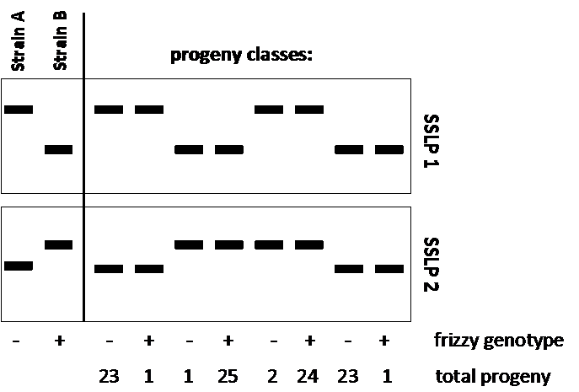 8) In your study of a filamentous fungus, you notice a phenotypic difference between two strains of this fungus. Strain A is frizzy in appearance (fr-) while strain B is normal (fr+). Your colleague has found that A and B also show detectable allelic differences at two SSLP (simple sequence length polymorphism) sites (SSLP1 and SSLP2) and suggests to you that one or both of these sites may be linked to the fr locus. To explore this, you cross haploid strain A by strain B and score 100 haploid progeny for frizzy genotype and for SSLP1 & 2 alleles. Eight progeny classes are recovered and the SSLP results are depicted below (the two parent strains are on the left): [12 pts. total] 8a) Briefly describe how the above data (the band patterns) was generated. Note: Both SSLP1 & 2 consist of the same 30bp repeating unit (but, of course, at different genomic locations). 8b) Using the data above, what conclusion can you make about the frizzy gene (circle one)? A) The frizzy gene is linked to SSLP1 B) The frizzy gene is linked to SSLP2 [2 pts] C) The frizzy gene is linked to both SSLP1 and SSLP2 D) The frizzy gene is not linked to either polymorphism 8b) continued Quantitatively describe any linkage relationships between SSLP1, SSLP2 and the fr locus: 8c) When you identify a molecular marker linked to the frizzy gene, what will be your next step in identifying the frizzy gene sequence (in the absence of DNA sequence for this species)? | 10 | 4 |  | MCSA | E2 | Fa2015 | EF
209 | EF_Fa2015_E2_MCSA7 | 7a) Your assignment is to stitch together DNA sequences from the DNA tool-kit listed below to create a new Yeast-E. coli shuttle vector. You want the vector to have the following properties: 1) Replicate to high copy number in E. coli; 2) Behave like a yeast chromosome in a ura3- yeast cell (replicate at each cell cycle and segregate evenly on the mitotic spindle); 3) It’s presence in each cell must be detectable (of course). Select all tool-kit pieces that are required by circling your answers below (and none extra). DNA tool-kit: A) E. coli chromosomal replication origin (= oriC) B) E. coli plasmid replication origin C) Gene encoding ampicillin resistance D) Gene encoding a restriction endonuclease E) Gene encoding maltose-binding protein F) Yeast chromosomal replication origin (=ARS) G) Yeast centromeric DNA H) Yeast LEU2 gene I) Yeast URA3 gene J) Spo11 cut site K) phage  int gene L) Gene encoding green fluorescent protein (GFP) 7b) You wish to use your yeast-E. coli shuttle vector to study the product of the yeast RAD1 gene (which you also possess the DNA for). Which tool-kit DNA would now be most useful to you if you wanted to examine the cellular location of Rad1 protein? 7c) Which tool-kit DNA would now be most useful to you if you wanted to purify the Rad1 protein for biochemical studies? 7d) Now you turn your attention to the protein product of the related human RAD1 gene. If you wanted to overproduce human Rad1 protein in bacteria, which would you use as a source of the Rad1-encoding sequence? Circle your choice the genomic RAD1 or a cDNA copy of the RAD1 mRNA Briefly explain your choice 7e) You use your purified human Rad1 protein to generate a specific anti-Rad1 antibody. You suspect that Rad1 is a DNA-binding protein that acts at many specific sites in the human genome. Describe an experiment that will let you determine the DNA sequence of every one of these sites (within a reasonable amount of time). | 11 | 6 |  | MCSA | E2 | Fa2015 | EF
210 | KK_Fa2015_FC_SA45 | 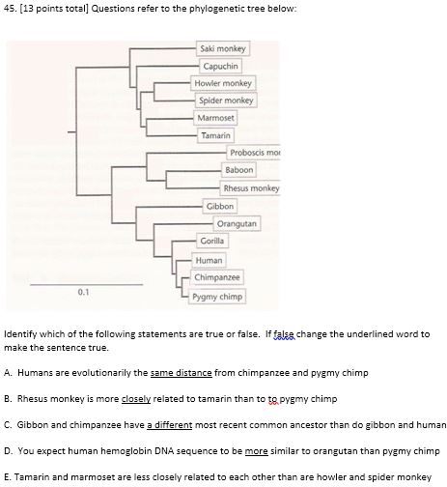 | 12 | 4 | 2 | SA | FC | Fa2015 | KK | Chi-squared table, codon table, HW formulas, 9:3:3:1, 9:4:3 ratios; 2n+1, 1/4^n
211 | AJ2_Fa2015_E4_SA2 |  | 13 | 2 | 2 | SA | E4 | Fa2015 | AJ2
212 | VM_Fa2015_FC_MC19 | 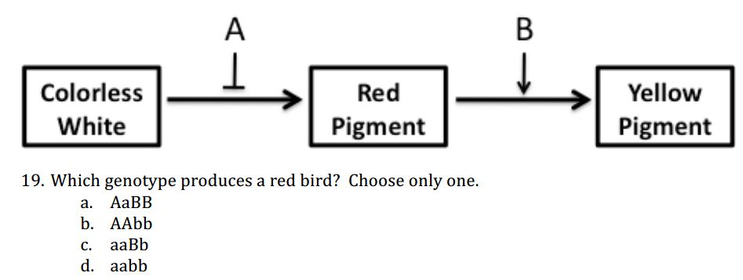 Feather color in a particular species of bird is determined by the pathway depicted below. | 14 | 3 | 1 | MC | FC | Fa2015 | VM
213 | KK_Fa2015_FC_MC34 | 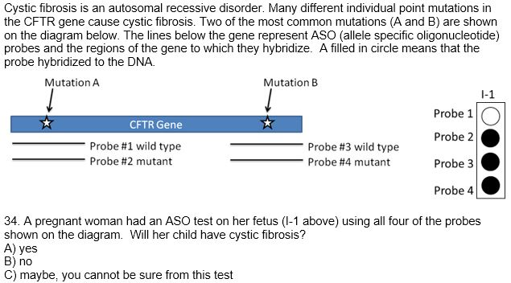 | 15 | 4 | 2 | MC | FC | Fa2015 | KK | Chi-squared table, codon table, HW formulas, 9:3:3:1, 9:4:3 ratios; 2n+1, 1/4^n
214 | AJ1_Fa2015_E4_SA5 |  | 16 | 3 | 1 | SA | E4 | Fa2015 | AJ1
215 | EF_Fa2015_E2_MC10 | 10) Consider the modified eukaryotic retrotransposon Tx depicted as the thick bar below. You have inserted a strong regulatable promoter (P) upstream of the Tx retrotransposon allowing you to turn on high level transcription of Tx (dashed arrow). Also, you have inserted an intron from another gene into Tx. Finally, you inserted this entire DNA into an exon of geneX of an appropriate host cell, thus inactivating geneX. When you turn on transcription at P, which of the following do you expect to see as outcomes? (circle all that apply): [4 pts: 2 per correct; -1 for incorrect] A) Tx RNA will appear inserted at new genomic locations B) Tx DNA will appear inserted at new genomic locations C) The Tx DNA will hop out of geneX allowing it be expressed D) Tx DNA that appears at new locations will be missing the intron sequence E) Tx DNA that appears at new locations, as well as the original location within geneX, will be missing the intron sequence F) the cell will become antibiotic resistant G) Heteroduplex DNA will be found at new Tx insertion sites | 17 | 3 |  | MC | E2 | Fa2015 | EF
216 | AJ1_Fa2015_E4_SA1 |  | 18 | 2 | 2 | SA | E4 | Fa2015 | AJ1
217 | CG_Fa2015_FC_SA2 | 2. a. What is the number of unique gametes that an individual with the genotype AaBBCCddEeFf could make? (1 pt) b. If two individuals with the following genotypes are crossed, what is the probability that they produce an offspring that shows an all dominant phenotype? AaBBCcDdEEFf x AaBbCCDdEeFf (2 pts) | 19 | 3 | 2 | SA | FC | Fa2015 | CG | chi-squared table, codon table
218 | CG_Fa2015_FC_SA10 | 10. An individual that is heterozygous for a pericentric inversion has the following chromosomes: A B • C D E F G H I A F E D C • B G H I a) Sketch the pairing of these two chromosomes during prophase I of meiosis. (2 pts) b) Draw the chromosomes that would ultimately result from a single crossover between B and the centromere (these correspond to the four possible gametes this individual cell could make in meiosis). (4 pts) c) What percentage of these gametes will lead to viable offspring if fertilization with a normal gamete occurs? (1 pt) | 20 | 3 | 2 | SA | FC | Fa2015 | CG | chi-squared table, codon table
219 | AJ2_Fa2015_E4_SA6_EC |  | 21 | 2 | 2 | SA | E4 | Fa2015 | AJ2
220 | CG_Fa2015_FC_P1 | 1. Two genes control color in corn snakes as follows: O‐B‐ snakes are brown, O‐bb are orange, ooB‐ are black, and oobb are albino. An orange snake was mated to a black snake, and a large number of F1 progeny were obtained, all of which were brown. When the F1 snakes were mated to one another, they produced 100 brown offspring, 25 orange, 22 black, and 13 albino. a. What are the genotypes of the parent and F1 snakes? (3 pts) b. What proportions of the different colors would have been expected among the F2 snakes if the loci had sorted independently? (2 pts) c. Do the observed results differ significantly from what was expected, assuming independent assortment is occurring? Show your work. (2 pts) d. What is the probability that differences this great between observed and expected values would happen by chance? (1 pt) | 22 | 3 | 2 | SA | FC | Fa2015 | CG | chi-squared table, codon table
277. Previously rated | VM_Fa2015_FC_MC25 | Match the following proteins with their function during replication and transcription. A letter may be used only once! Proteins : a. DNA polymerase III b. Primase c. RNA polymerase d. Sigma Factor e. Helicase 25. This enzyme performs the majority of DNA synthesis. | 8 | 1 | 1 | MC | FC | Fa2015 | VM
283.Previously rated | VM_Fa2015_FC_MC20 | NOTE: NEED PREVIOUS QUESTION TO ANSWER 20. Given the pathway for feather color, what is the expected F2 offspring phenotype ratio (AaBb x AaBb)? a. 9:3:3:1 b. 1:1:1:1 c. 12:3:1 d. 9:5:1 | 23 | 3 | 1 | MC | FC | Fa2015 | VM
284.Previously rated | VM_Fa2015_FC_MC32 | 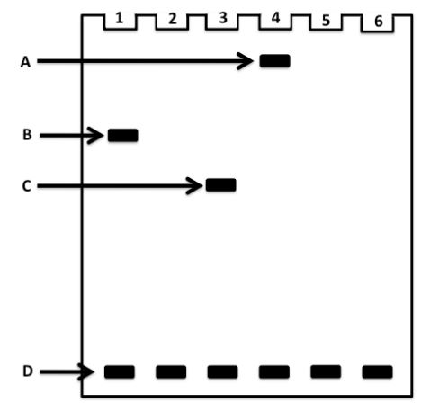 32. In the DNA band shift assay to the right the samples were loaded into the wells at the top (numbered). Which of the bands represents “free DNA” (not bound to proteins)? | 37 | 2 | 2 | MC | FC | Fa2015 | VM
278.Previously rated | AJ1_Fa2015_E4_SA2 |  | 39 | 3 | 3 | SA | E4 | Fa2015 | AJ1
279.Previously rated | KK_Fa2015_FC_SA44 | 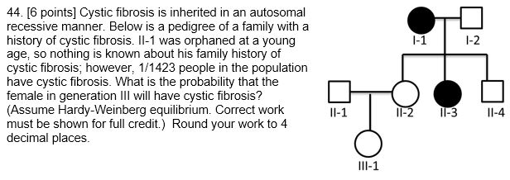 | 42 | 3 | 3 | SA | FC | Fa2015 | KK | Chi-squared table, codon table, HW formulas, 9:3:3:1, 9:4:3 ratios; 2n+1, 1/4^n
280.Previously rated | CG_Fa2015_FC_P3 | 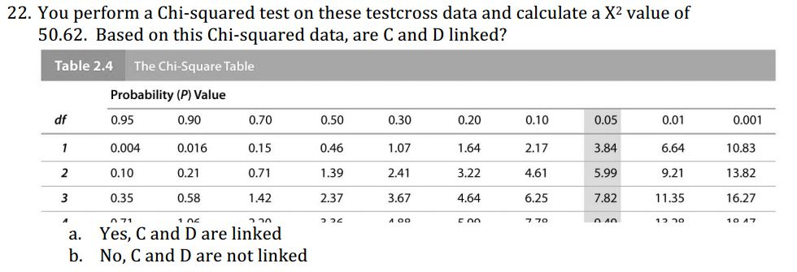 3. A farmer plants transgenic Bt corn that is genetically modified to produce its own insecticide. Of the corn borer larvae feeding on these Bt corn plants, only 10 percent survive unless they have at least one copy of the dominant resistant allele B that confers resistance to the Bt insecticide. When the farmer first plants Bt corn, the frequency of the B resistance allele in the corn borer population is 0.04. a. What will be the frequency of the resistance allele after one generation of corn borers fed on Bt corn? Show your work! (4 pts) | 61 | 3 | 1 | SA | FC | Fa2015 | CG | chi-squared table, codon table
281.Previously rated | VM_Fa2015_FC_MC26 | 26. This protein binds to the promoter of prokaryotic genes a. DNA polymerase III b. Primase c. RNA polymerase d. Sigma Factor e. Helicase | 63 | 1 | 1 | MC | FC | Fa2015 | VM
282. Previously rated | AJ1_Fa2015_E4_SA4 |  | 80 | 2 | 1 | SA | E4 | Fa2015 | AJ1
Unique ID | Code (Initials_Year_Exam_Qformat#) | Question | Set 1 Randomization | DOK Score | Same question as Sp2015 (1=same; 2=different; 3=similar) | Question format (TF, MC, SA) | Exam (FC=final cumulative; E#=Exam #) | Year | Faculty initials | Notes on tables/formulas included in exam
 | Master List of Genetics Faculty Assessment Questions_Keck GCA Study
 | Fall 2015

Ordered_needs rating
 | AJ1_Fa2015_E4_SA3
 | AJ2_Fa2015_E4_SA1
 | AJ2_Fa2015_E4_SA3
 | AJ2_Fa2015_E4_SA4
 | AJ2_Fa2015_E4_SA5
 | CG_Fa2015_FC_P2 | 2. A prospective groom, who is normal, has a sister with cystic fibrosis (CF), an autosomal recessive disease. Their parents are normal. The brother plans to marry a woman who has no history of CF in her family. What is the probability that they will produce a CF child? They are both Caucasian and the overall frequency of CF in the Caucasian population is 1/2500—that is, 1 affected child per 2500 births. (Assume the population meets Hardy‐Weinberg assumptions.) (4 pts) |  | chi-squared table, codon table
 | CG_Fa2015_FC_P5 | 5. In the tubular flowers of foxgloves, wild‐type coloration is red while a mutation called white produces white flowers. Another mutation, called peloria, causes the flowers at the apex of the stem to be huge. Yet another mutation, called dwarf, affects stem length. You cross a white‐flowered plant (otherwise phenotypically wild‐type) to a plant that is dwarf and peloria but has wild‐type red flower color. All of the F1 plants are tall with white, normal‐sized flowers. You cross an F1 plant back to the dwarf and peloria parent, and you see the 543 progeny shown in the chart below. (Only mutant traits are noted.) dwarf, peloria 172 white 162 dwarf, peloria, white 56 wild type 48 dwarf, white 51 peloria 43 dwarf 6 peloria, white 5 a. Which alleles are dominant? Define the alleles at each locus. (3 pts) b. What were the genotypes of the parents in the original cross? (Make sure the order is correct and use linkage notation.) (2 pts) c. What is the genotype of the F1 plants? (2 pts) d. Draw a map showing the linkage relationships of these three loci. Show your work. (4 pts) e. Is there interference? If so, calculate the coefficient of coincidence and the interference value. (2 pts) |  | chi-squared table, codon table
 | CG_Fa2015_FC_SA1 | 1. Describe the difference between homologous chromosomes and sister chromatids. (3 pts) |  | chi-squared table, codon table
 | CG_Fa2015_FC_SA4 | 4. Explain how an F‐ cell is converted to an Hfr cell in the presence of F+ cells? (3 pts) |  | chi-squared table, codon table
 | CG_Fa2015_FC_SA5 | 5. Species I is diploid (2n = 8) with chromosomes AABBCCDD; a related Species II is diploid (2n = 4) with chromosomes MMNN. Indicate the chromosomes that would be found in individuals with the following chromosome mutations. (4 pts) a) monosomic for chromosome A b) an allotetraploid c) a tetrasomic for species I d) an autotriploid for species II |  | chi-squared table, codon table
 | CG_Fa2015_FC_SA6 | 6. You perform interrupted conjugation using an a+b+c+d+l+m+n+o+ Hfr strain and an F– strain that is a–b–c–d–l–m–n–o–. You observe the following genes transferred together in order from last to first: n+a+c+m+ o+m+c+a+n+ o+b+d+l+n+ a. What is the map order of the genes? (2 pts) b. Is the chromosome linear or circular? How do you know? (2 pts) |  | chi-squared table, codon table
 | CG_Fa2015_FC_SA7 |  |  | chi-squared table, codon table
 | CG_Fa2015_FC_SA8 | 8. An RNA molecule has the following percentage of bases: A = 15%, U = 30%, C = 20%, and G = 35%. a. Is this RNA single‐stranded or double‐stranded? How can you tell based on the base composition? (2 pts) b. What would be the percentage of bases in the template strand of the DNA that encodes this RNA molecule? (2 pts) |  | chi-squared table, codon table
 | CG_Fa2015_FC_SA9 | 9. Red‐green color blindness is X‐linked recessive. A woman with normal color vision has a father who is red‐green color blind. The woman has four sons, none of whom are color blind. In this family there are no instances of chromosome loss or gain such as occurs due to nondisjunction in meiosis. Below are three explanations for why none of the sons are color blind proposed by three students. For each explanation, decide whether it is valid or not valid (circle your choice) given what you know about this family and how X‐linked genes are inherited. Briefly explain your rationale. (6 pts) (a) Explanation 1: None of the sons are color blind because the mother does not carry the color‐ blindness allele. Valid Not Valid Rationale: (b) Explanation 2: None of the sons are color blind because none of them inherited the color‐blindness allele from the mother. Valid Not Valid Rationale: (c) Explanation 3: None of the sons are color blind because the mother inactivated the X chromosome with the recessive color‐blindness allele, and that is the one each son inherited. Valid Not Valid Rationale: |  | chi-squared table, codon table
 | EF_Fa2015_E1_MCSA1 | 1) An adult female human cell possesses how many unique chromosomes? (“unique” means if there is more than one copy, count it as one). [4 pts total] A) 22 B) 23 C) 24 D) 25 E) 44 F) 46 G) 47 H) varies depending upon cell cycle stage Briefly explain your answer.
 | EF_Fa2015_E1_SA3 | 3) Let’s say you wish to measure the genetic distance between two phage genes X and Y. You have in your possession a phage with an Xam (am=amber) mutation and another with a Yoc (oc=ochre) mutation. You also possess a wild-type bacterial host cell (has no nonsense suppressors) and a bacterial strain that has both an amber and an ochre suppressor (Yes, such strains do exist). Describe precisely the steps and calculations you will perform to measure the genetic distance between X and Y. [10 pts]
 | EF_Fa2015_E1_MC8 | 8) Consider the human family pedigree below where filled symbols indicate a particular heart condition. (squares = male; circles = female). What is the most likely mode of inheritance of this heart condition? [4 pts] A) autosomal recessive B) autosomal dominant C) X-linked recessive D) X-linked dominant E) Y-linked F) mitochondrial G) chloroplast H) cannot be determined
 | EF_Fa2015_E2_MC1 | 1) Which of the following statements correctly describe Okazaki fragments? Circle all that apply. [7.5 points: 1.5 pts per correct ans; -1.5 per incorrect] A) They are short-lived fragments B) They persist (as fragments) in genomes C) They are synthesized 3’ > 5’ D) They are synthesized in opposite direction of fork movement. E) They are primed with DNA F) They are primed with RNA G) They are stitched together by E. coli DNA polI plus DNA ligase H) They are stitched together by E. coli DNA polIII plus DNA ligase I) To see their slow sedimentation in the centrifuge required that Okazaki impose DNA-denaturing conditions (alkali) J) To see their slow sedimentation in the centrifuge required that Okazaki use CsCl to retard their movement
 | EF_Fa2015_E2_SA2 | 2) What is meant by a primer, and why are primers necessary for DNA replication?
 | EF_Fa2015_E2_MCSA3 | 3a) Why are intercalating agents such as acridine orange and proflavin much more likely to cause null mutations than mutagens that cause point mutations (transitions and transversions)? [4 pts.] 3b) Suppose you have obtained a gene null mutant using acridine orange. Which one of the following mutagens would be most useful in generating an intragenic revertant of the null. A) a transition promoting mutagen B) a transversion promoting mutagen C) acridine orange [1 pt] D) a transposable element E) ultra-violet irradiation F) X-ray irradiation G) EMS (adds methyl groups to base-pairing oxygens) Briefly explain your choice.
 | EF_Fa2015_E3_SA2 | Problem 2. [8 points total]. One identical twin likes Trump for president while the other likes Clinton. However, this discordance between identical twins is unusual as most have concordant political orientations. Additionally, some pedigree analyses suggest political orientation is strongly heritable within families, particularly from father to son. Your silly friends at Princeton are making the argument that genes play a strong role in political orientation, and that we are simply “born that way”. How can you prove them wrong? What would your experimental design be, and what would the data supporting your hypothesis look like?
 | EF_Fa2015_E3_SA3 | Problem 3. [12 points total]. Imprinting is an unusual phenomenon in mammals only, where males silence some genes and females silence other genes in their germ lines and the descendants inherit and maintain those silenced states in all the cells of their bodies. Except, of course, the germ-line where the parental imprints are erased and re- established in the appropriate male or female pattern. Sequence-specific DNA methylations and histone modifications form the molecular basis of sex-specific imprinting, and we can consider the phenomenon as “epigenetic” in its character. 3A. What is the main distinguishing feature between an epigenetic phenomenon and a genetic phenomenon? In other words, please explain briefly the key difference. 3B. One of the best questions asked during the review session was “How did imprinting originate in mammals, and why?” One answer is this… Imprinting probably evolved in ancient mammals through a phenomenon called sexual conflict (SC). SC occurs when the males and females have competing interests in terms of passing on their genes to the next generation. In mammals, males who have larger offspring tend to pass on more of their genes, so expression of the IGF2 gene (encoding a growth factor type of hormone) is enhanced. Females are somewhat harmed by the larger offspring because they require more energy and resources than smaller ones. Females pass on more of their genes by having smaller offspring (and more of them) so females silence the IGF2 gene in their germ lines. We don’t know who (males or females) started the conflict, but regardless we do think imprinting arose in ancient mammals as a way to balance the competing interests of males and females during reproduction. Today, imprinting has expanded to include (perhaps) a few dozen genes that are all potential “warriors” in SC, just like IGF2. Here is the question for you to answer: If you had a child with two chr15 chromosomes (which carries the IGF2 gene and other genes) from your
 | EF_Fa2015_E3_SA4 | Problem 4. [8 points total]. Testosterone is an amazing substance because it binds to a transcription factor called AR (androgen receptor) and causes high expression of genes that cause masculinization (male-specific phenotypes) in many cell types. Athletes who take consume extra testosterone become stronger, more aggressive, and better performing because of the increased AR functioning. [Testosterone is a performance-enhancing drug in most sports, and therefore illegal as well as dangerous.] Some people lack the normal AR function due to mutations in the gene, and thus they are insensitive to testosterone they normally produce and exhibit a sex-reversal phenotype (where XY individuals develop as females). Can the opposite type of mutation occur in the AR gene: a mutation that makes AR hyperactive (even with little or no testosterone) such that XX individuals develop as males? Why or why not (again, your explanation carries more weight)?
 | EF_Fa2015_E3_SA7 | Problem 7 [12 points total]. Please examine the pedigree below. The circles represent females and squares represent males, the black symbols are affected 7A. What is the most likely cause of this inheritance pattern? 7B. How would this pedigree change if the mutation exhibited 50% penetrance? Please don’t use drawings and be as specific and complete as possible.
 | EF_Fa2015_E3_SA8 | Problem 8. [12 points total]. In an “ideal” population, the frequency of any particular allele of a gene will remain constant in the next generation. The Hardy-Weinberg Law (p2 + 2pq +q2 = 1.0; where p and q are the frequencies of alleles A and a) formalizes that property of ideal populations. But there are no ideal populations anywhere, so allele frequencies are observed to change from generation to generation in real populations. Please list three different forces that can cause deviation from the unchanging “equilibrium” that is specified by the Hardy-Weinberg Law, and briefly indicate how those three forces work.
 | KK_Fa2015_FC_MC26 | 26. Fish from strain #1 have a mutation in the Q gene. When examined more closely 'qq' fish have short fins. Fish from strain #2 have a mutation in the P gene. When examined more closely 'pp' fish have two sets of fins. Wild type fish have one set of normal length fins. The Q and P genes follow a recessive epistasis inheritance pattern and P is epistatic to Q. If two fish heterozygous for both Q and P are mated, what is that probability that offspring will have two sets of short fins? A) 9/16 B) 4/16 C) 3/16 D) 1/16 E) 0 |  | Chi-squared table, codon table, HW formulas, 9:3:3:1, 9:4:3 ratios; 2n+1, 1/4^n
 | KK_Fa2015_FC_MC28 | 28. A man (genotype Aabb) has a child with a woman (genotype AABB). Their child is AaaBb. What happened to create this embryo? A) The embryo is normal B) Non-disjunction in meiosis II in the father C) Non-disjunction in either meiosis I or meiosis II in the father D) Non-disjunction in meiosis I in the mother E) Non-disjunction in meiosis I or meiosis II in the mother |  | Chi-squared table, codon table, HW formulas, 9:3:3:1, 9:4:3 ratios; 2n+1, 1/4^n
 | KK_Fa2015_FC_MC29 | 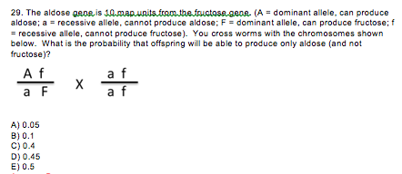 |  | Chi-squared table, codon table, HW formulas, 9:3:3:1, 9:4:3 ratios; 2n+1, 1/4^n
 | KK_Fa2015_FC_MC31 | 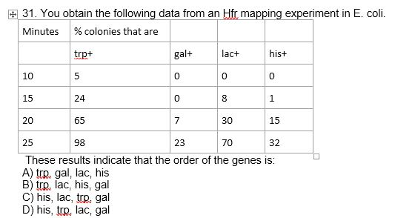 |  | Chi-squared table, codon table, HW formulas, 9:3:3:1, 9:4:3 ratios; 2n+1, 1/4^n
 | KK_Fa2015_FC_MC32 |  |  | Chi-squared table, codon table, HW formulas, 9:3:3:1, 9:4:3 ratios; 2n+1, 1/4^n
 | KK_Fa2015_FC_MC33 | NOTE: NEED PREVIOUS QUESTION TO ANSWER 33. Considering the male in the first generation, what is his mother’s phenotype? A) AA B) Aa C) aa D) more than one of the above are possible |  | Chi-squared table, codon table, HW formulas, 9:3:3:1, 9:4:3 ratios; 2n+1, 1/4^n
 | KK_Fa2015_FC_MC36 | NOTE: NEED PREVIOUS QUESTION (ALREADY RATED) TO ANSWER 36. II-1 marries a woman that is not affected by G6PD and is not a carrier for the disorder. She is pregnant with their first child. Genetic tests informed her that her child is a boy. What is the probability that her male child will have G6PD? A) 0 B) 0.25 C) 0.5 D) 0.75 E) 1 |  | Chi-squared table, codon table, HW formulas, 9:3:3:1, 9:4:3 ratios; 2n+1, 1/4^n
 | KK_Fa2015_FC_MC38 | 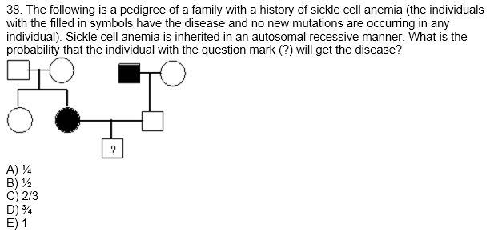 |  | Chi-squared table, codon table, HW formulas, 9:3:3:1, 9:4:3 ratios; 2n+1, 1/4^n
 | KK_Fa2015_FC_MC39 | 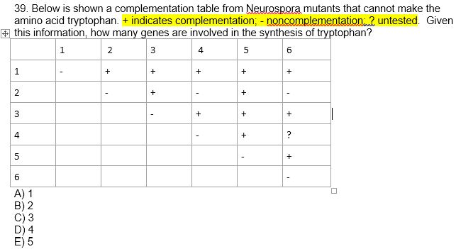 |  | Chi-squared table, codon table, HW formulas, 9:3:3:1, 9:4:3 ratios; 2n+1, 1/4^n
 | KK_Fa2015_FC_MC40 | 40. In a mouse model of Hypertrophic Cardiomyopathy (HCM), forcing animals to exercise vigorously results in 4 out of 20 animals dying suddenly during exercise. If mature HCM animals that are expected to have already developed heart pathology are allowed to exercise moderately for two months, the result is the death of 0 out of 20 animals. On sacrifice, these 20 mice show little heart pathology. Which statement below most accurately reflects conclusions about HCM in mice to be drawn from these data? A) Moderate exercise prevents disease progression B) Moderate exercise can reverse existing disease C) Moderate exercise makes the disease worse D) Moderate exercise has no effect on disease |  | Chi-squared table, codon table, HW formulas, 9:3:3:1, 9:4:3 ratios; 2n+1, 1/4^n
 | KK_Fa2015_FC_SA41 | 41. [10 points total] Cells in a particular tumor contain mutated copies of a gene. The mutant gene promotes tumor growth. Gene therapy can be used to introduce a normal copy of this gene into tumor cells. A) [3 points] What is the normal function of tumor suppressor genes generally? B) [3 points] Why do mutations in tumor suppressor genes cause cancer? C) [4 points] In the tumor described above, would you expect the gene therapy to be effective if the mutant gene were a tumor suppressor? (Answer should describe the function of the gene rather than merely stating that the gene is dominant or recessive) |  | Chi-squared table, codon table, HW formulas, 9:3:3:1, 9:4:3 ratios; 2n+1, 1/4^n
 | KK_Fa2015_FC_SA42 | 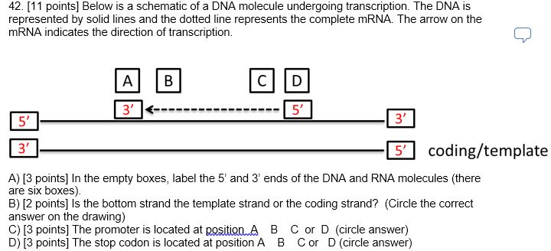 |  | Chi-squared table, codon table, HW formulas, 9:3:3:1, 9:4:3 ratios; 2n+1, 1/4^n
 | KK_Fa2015_FC_SA43 |  |  | Chi-squared table, codon table, HW formulas, 9:3:3:1, 9:4:3 ratios; 2n+1, 1/4^n
 | VM_Fa2015_FC_MC10 | 10. In peas, the yellow allele is dominant over the green allele. A plant with yellow peas was crossed to a plant with green peas. The resulting plants were 50% yellow and 50% green. What is the genotype of the parents in this cross? a. YY × yy b. YY × Yy c. Yy × yy d. Yy × Yy e. yy × yy
 | VM_Fa2015_FC_MC11 | 11. Assuming independent assortment, what phenotypic ratio would you expect to see if an individual with the genotype RrGg is self-crossed? a. 1:3 b. 9:3:3:1 c. 1:2:1 d. 1:3:2:1 e. 3:1
 | VM_Fa2015_FC_MC12 | 12. Humans have a gene, T, that is involved in muscle formation of the tongue. Individuals homozygous for one allele can roll their tongues, while individuals homozygous for the other allele cannot. If both parents can roll their tongues, but their child cannot, what can be said about the mode of inheritance? a. Tongue rolling is dominant. b. Tongue rolling is recessive. c. The parents were both homozygous, but the child was heterozygous. d. Tongue rolling is dominant, and both parents were heterozygous (Tt). e. Tongue rolling is recessive, and both parents were heterozygous (Tt).
 | VM_Fa2015_FC_MC13 | 13. A mutation results in an enzyme that has reduced activity compared to the wildtype allele. This type of “leaky” mutation is classified as __________. a. Amorphic or a null mutation b. hypomorphic c. hypermorphic d. neomorphic e. dominant negative
 | VM_Fa2015_FC_MC14 | 14. In Drosophila melanogaster the w gene is X-linked and red-eyes (w+) is dominant to white eyes (w). If you cross a homozygous red-eyed female to a white-eyed male, what proportion of ALL offspring are expected to be red-eyed? a. 0 b. 1/4 c. 1/2 d. 3/4 e. All offspring of this cross will have red-eyes.
 | VM_Fa2015_FC_MC15 | NOTE: NEED PREVIOUS QUESTION TO ANSWER 15. Referring to the previous question, in the reciprocal cross, what proportion of the offspring are expected to be red-eyed? a. 0 b. 1/4 c. 1/2 d. 3/4 e. All offspring of this cross will have red-eyes
 | VM_Fa2015_FC_MC17 | 17. In some breeds of chickens, feather color is determined by a single gene with two co-dominant alleles. Black feathers are determined by the FB allele and white feathers are determined by the FW allele. If you mated a true-breeding black chicken to a true-breeding white chicken, what are the expected phenotype(s) of the F1 offspring? a. All black chickens b. All white chickens c. All grey chickens d. All checkered chickens with both black and white feathers.
 | VM_Fa2015_FC_MC18 | NOTE: NEED PREVIOUS QUESTION TO ANSWER 18. If you sibling mate the F1 chickens, what is the expected phenotype ratio in the F2? a. 3 black chickens : 1 white chicken b. 3 checkered chickens : 1 white chicken c. 3 grey chickens : 1 white chicken d. 1 black chicken : 2 grey chickens : 1 white chicken e. 1 black chicken : 2 checkered chickens : 1 white chicken
 | VM_Fa2015_FC_MC21 | You are analyzing whether two genes C and D are linked. You perform a testcross with a CcDd F1 individual. 21. After counting the number of offspring in each phenotype class, you find that more offspring than expected have the parental phenotype. Based solely on this data, are C and D linked? a. Yes, C and D are linked b. No, C and D are not linked
 | VM_Fa2015_FC_MC22 | NOTE: NEED PREVIOUS QUESTION TO ANSWER
 | VM_Fa2015_FC_MC23 | 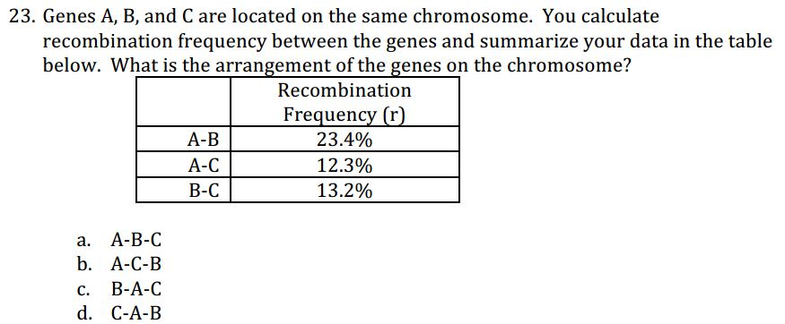
 | VM_Fa2015_FC_MC24 | NOTE: NEED PREVIOUS QUESTION TO ANSWER 24. Looking at the data table in the previous question, what mistake did you likely make in your calculations? a. Did not account for double recombinants between A and B b. Did not account for single recombinants between A and B c. Did not account for single recombinants between A and C d. Did not account for double recombinants between C and B e. Double and single recombinants MUST be taken into account between all genes.
 | VM_Fa2015_FC_MC27 | 27. This protein catalyzes phosphodiester bond formation to create an mRNA a. DNA polymerase III b. Primase c. RNA polymerase d. Sigma Factor e. Helicase
 | VM_Fa2015_FC_MC28 | 28. This protein makes a small piece of RNA during DNA replication. a. DNA polymerase III b. Primase c. RNA polymerase d. Sigma Factor e. Helicase
 | VM_Fa2015_FC_MC29 | 29. Which of the following is TRUE for replication and transcription? a. Phosphodiester bonds are formed only during replication. b. Protein-DNA interactions are only required during transcription c. The whole genome is copied during replication, but only a small part is transcribed to mRNA. d. DNA is unwound only during replication. e. DNA is the template for DNA replication, but not for transcription.
 | VM_Fa2015_FC_MC30 | 30. Which of the following components is NOT required for a standard PCR reaction? a. DNA polymerase b. Nucleotides c. Template DNA d. Primers e. Helicase
 | VM_Fa2015_FC_MC31 | 31. Which of the following is required for DNA polymerase to initiate replication? a. 1’ – base on the newly made strand b. 2’ – H on the newly made strand c. 2’ – OH on the newly made strand d. 3’ – OH on the newly made strand e. 5’ – PO4 on the newly made strand

Unique ID | Code (Initials_Year_Exam_Qformat#) | Question | Set 1 Randomization | Notes on tables/formulas included in exam

